Dashboard
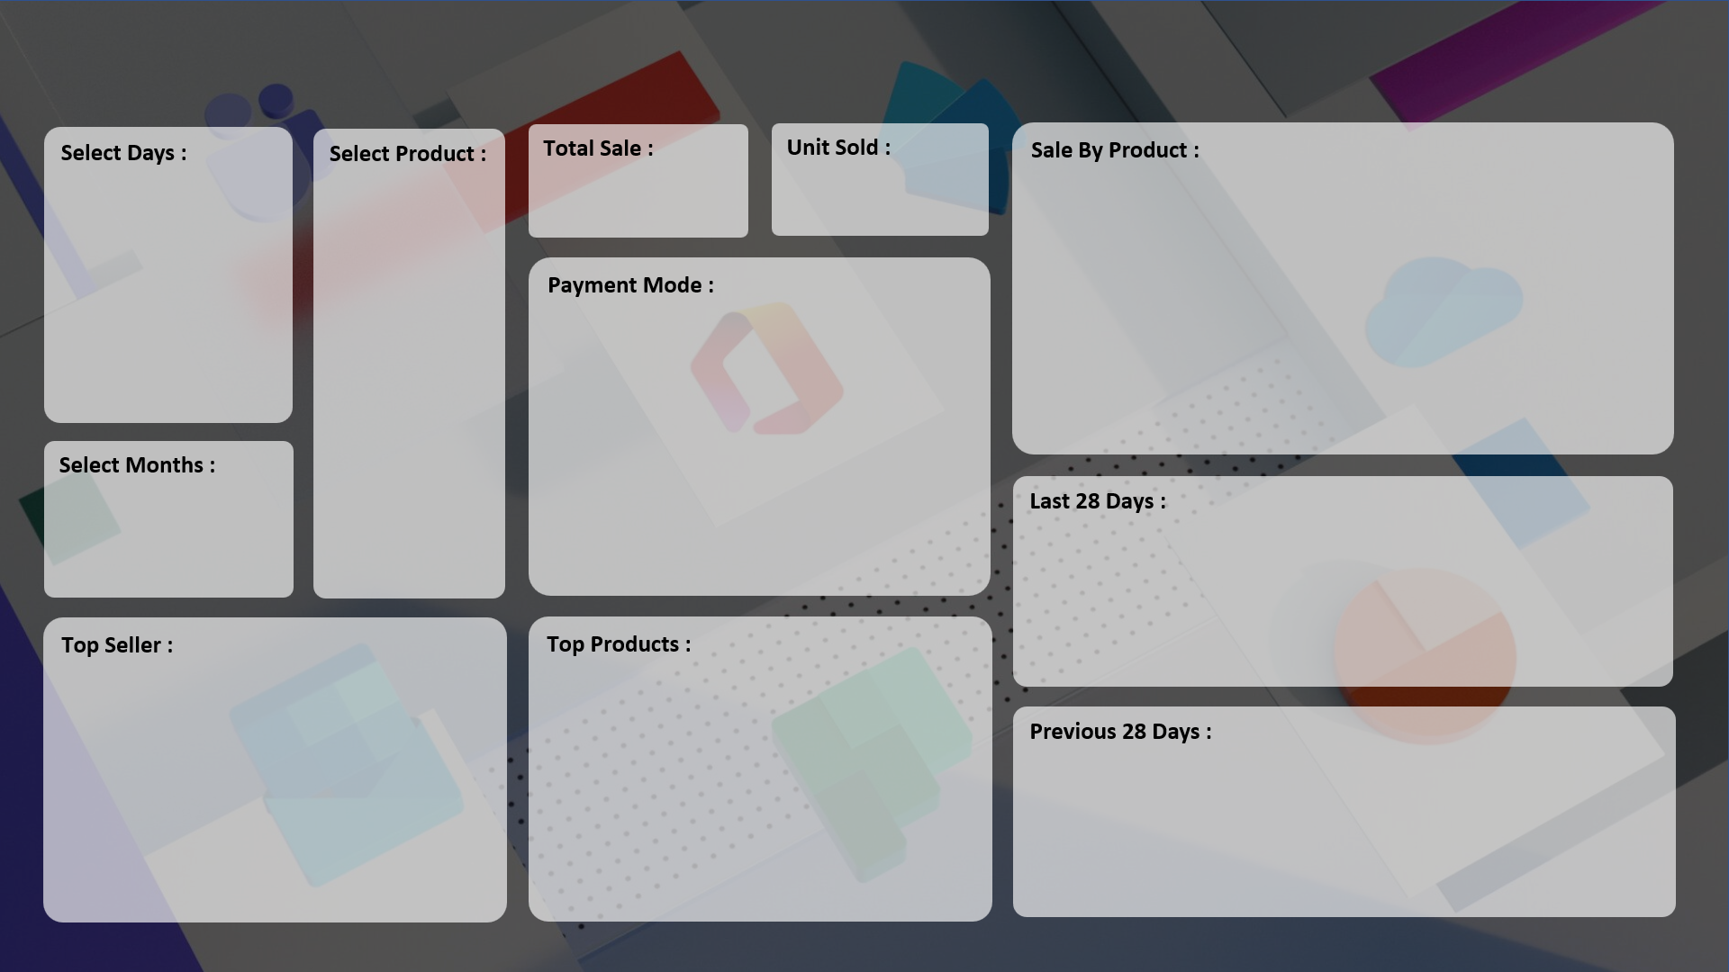
Fully Dynamic & Automated Excel Dashboard

Revenue :
Unit Solds :

₹ 69,21,020
2,916
 | Total
Keyboard | 599
Monitor | 442
Mouse | 321
Printer | 446
Scanner | 409
SSD 256 GB | 699

 | Total
Cash | 1475
Online | 1441

 | Total
15-Aug | 24
16-Aug | 25
17-Aug | 9
18-Aug | 41
19-Aug | 57
20-Aug | 62
21-Aug | 22
22-Aug | 38
23-Aug | 59
24-Aug | 87
25-Aug | 66
26-Aug | 78
27-Aug | 127
28-Aug | 105
10-Sep | 275
11-Sep | 186

 | Total
Super Tech | 646
RG Store | 860
CCC Mart | 872
 | Total
HDD 256 GB | 559
Keyboard | 599
SSD 256 GB | 699

 | Total
18-Jul | 14
19-Jul | 10
20-Jul | 22
21-Jul | 20
22-Jul | 16
23-Jul | 11
24-Jul | 19
25-Jul | 15
26-Jul | 27
27-Jul | 13
28-Jul | 14
10-Aug | 14
11-Aug | 13
12-Aug | 19
13-Aug | 20
14-Aug | 16

